01 Agent AI Flow
OVERALL ARCHITECTURE | Cash Flow Agent | STEP 01 - AI INITIATES ALERT | STEP 02 - CFO RESPOND | STEP 03 - AI ANALYSIS RESPONSE | STEP 04 - CFO DEEP DIVE | STEP 05 - AI RECOMMENDATION ACTION |  |  | STEP 06 - CFO SIMULATION |  | STEP 06 - CFO SIMULATION | STEP 07 - CFO Makes Final Decision | STEP 08 - ERP UPDATED UPDATE RESULT | CFO
 | │ | 🔴 HIGH PRIORITY ALERT Good Morning Susan. A liquidity risk has been detected. Predicted Week: Week 5 Projected Cash: IDR 6.99B Minimum Buffer: IDR 8.00B Shortfall: IDR 1.00B FX Exposure: USD 3.3M Business Impact: Treasury policy breach likely in 4 weeks. `` | Why is this happening? | Root Cause Analysis Complete Confidence: High Primary Drivers Identified: 2 Driver #1 USD Vendor Settlement Vendor: Shenzhen Micro Ltd Payment Due: USD 750,000 Week: Week 5 Business Impact: Largest cash outflow within forecast horizon. [03A Cash F...0 20260707 | Excel] Driver #2 Customer Collection Delay Customer: PT Anugerah Prima Amount: IDR 8.0B Status: Delayed 14 days Collection shifted: Week 5 → Week 7. | Show me all liquidity risks. | 3 courses of action are available. |  |  | Simulate if Customer A pays on time. |  | What if USD appreciates 6%? | Execute Recommended Plan. | Treasury Workbench Updated Collection Case Created Payment Schedule Updated Journal Preview Generated Forecast Recalculated `` | │
 | ▼ |  |  |  |  |  |  |  |  |  |  |  |  | ▼
 | CFO |  |  |  |  |  |  |  |  |  |  |  |  | Cash Flow Intelligence Agent
 | │ |  |  |  |  |  |  |  |  |  |  |  |  | │
 | ▼ |  |  |  |  |  |  |  |  |  |  |  |  | ────────────────────────────────────
 | Decision Engine |  |  |  |  |  |  |  |  |  |  |  |  | DETECTED RISK
 | │ |  |  |  |  |  |  |  |  |  |  |  |  | ────────────────────────────────────
 | ┌──────┼──────┐
 | ▼ ▼ ▼ |  |  |  |  |  |  |  |  |  |  |  |  | Liquidity Breach
 | AR AP Treasury |  |  |  |  |  |  |  |  |  |  |  |  | Week 5
 | Agent Agent Agent
 | │ │ │ |  |  |  |  |  |  |  |  |  |  |  |  | Cash Buffer
 | └──────┼──────┘ |  |  |  |  |  |  |  |  |  |  |  |  | 6.99B
 | ▼
 | Controller Agent |  |  |  |  |  |  |  |  |  |  |  |  | FX Exposure
 | ▼ |  |  |  |  |  |  |  |  |  |  |  |  | USD 3.3M
 | D365 F&O
 | ▼ |  |  |  |  |  |  |  |  |  |  |  |  | ────────────────────────────────────
 | Executive Dashboard |  |  |  |  |  |  |  |  |  |  |  |  | RECOMMENDED ACTION
 |  |  |  |  |  |  |  |  |  |  |  |  |  | ────────────────────────────────────

 |  |  |  |  |  |  |  |  |  |  |  |  |  | ✅ Defer Vendor Payment
 |  |  |  |  |  |  |  |  |  |  |  |  |  | +3.0B
 |  |  |  |  |  |  |  |  |  |  |  |  |  | ✅ Forward Cover USD 2M
 |  |  |  |  |  |  |  |  |  |  |  |  |  | +1.077B Protection

Projected Closing Cash vs Minimum Buffer (IDR mn)
 | Closing cash | Minimum cash buffer (policy)
1 | 24,400 | 8,000
2 | 26,915 | 8,000
3 | 25,630 | 8,000
4 | 18,560 | 8,000
5 | 6,998 | 8,000
6 | 9,013 | 8,000
7 | 21,113 | 8,000
8 | 22,230 | 8,000
9 | 22,045 | 8,000
10 | 20,458 | 8,000
11 | 25,558 | 8,000
12 | 28,175 | 8,000
13 | 23,400 | 8,000
 |  |  |  |  |  |  |  |  |  |  |  |  |  | ✅ Accelerate Collection
 |  |  |  | Week 5 Impact | Top Risk Ranking | OPTION A | OPTION B | OPTION C | AI Simulation Result |  | AI Simulation Result | AI Decision Card | Final Execution Visualization
 |  |  |  |  |  | NO ACTION | Liquidity + Hedge Actions: Defer AP-015 Packaging Bill Forward Cover USD 2M Accelerate Customer Collection | Credit Line Draw | Scenario Created |  | Current Exposure | Decision Accepted |  | +8.0B
 |  |  |  | Opening Position +18.6B | 1️⃣ Customer Delay |  |  |  | Customer A Delay Removed
 |  |  |  | Customer Delay -8.0B | Impact: | Liquidity Risk: High | Week 5 Buffer Restored | Cash Risk: |  |  | USD 3.3M | Decision ID: |  | ────────────────────────────────────
 |  |  |  | USD Payment -13.5B | IDR 8.0B |  |  | Low | Before | After |  | CF-2026-0815 |  | EXECUTION
 |  |  |  | Other Expenses -1.1B |  | FX Risk: High | Cash: |  |  |  | Risk Bands |  |  | ────────────────────────────────────
 |  |  |  | -------------------------------- | 2️⃣ USD Exposure |  | 9.99B | FX Risk: | Plain Text | Plain Text |  | Approval:
 |  |  |  | Final Position 7.0B | Impact: | Potential FX Loss: |  | High | Week 5 Cash | Week 5 Cash | Normal 🟢 GREEN | CFO |  | Treasury Agent ✅
 |  |  |  |  | USD 3.3M | IDR 1.77B | FX Downside Avoided: |  |  |  | +3% USD 🟠 ORANGE
 |  |  |  |  |  |  | 1.077B | Interest Expense: | IDR 6.99B | IDR 14.99B | +6% USD 🔴 RED | Status: |  | AR Agent ✅
 |  |  |  |  | 3️⃣ Major Import Payment |  |  | Increases |  |  | ` | Approved
 |  |  |  |  | Impact: |  |  |  |  |  |  |  |  | AP Agent ✅
 |  |  |  |  | USD 750K | Confidence: 76% (illustrative demo value) | Confidence: Medium-High (illustrative demo value) |  | Business Impact
 |  |  |  |  |  |  |  |  |  |  |  |  |  | Controller Agent ✅
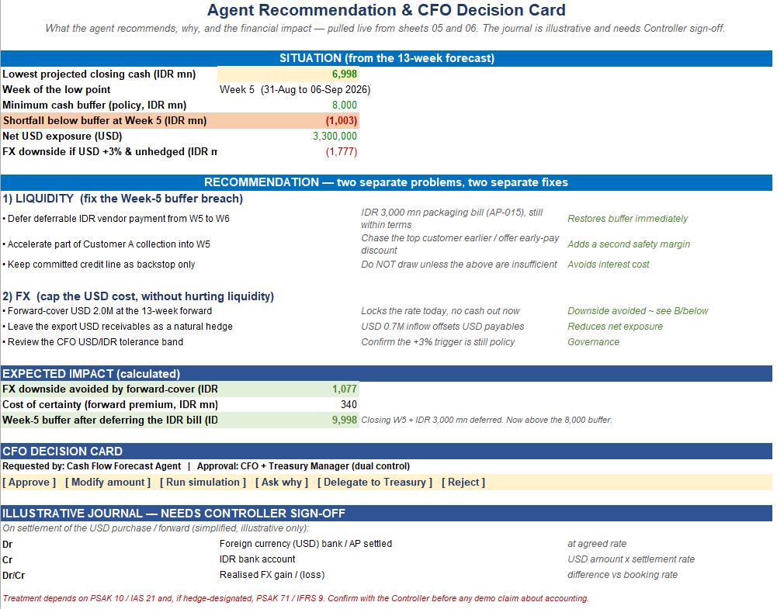
 |  |  |  |  | 4️⃣ FX Volatility |  |  |  | Plain Text
 |  |  |  |  | Impact: |  |  |  | Liquidity Risk |  |  |  |  | D365 Updated ✅
 |  |  |  |  | IDR 1.78B
 |  |  |  |  |  |  |  |  | HIGH → LOW |  |  |  |  | ────────────────────────────────────
 |  |  |  |  |  |  |  |  |  |  |  |  |  | OUTCOME
 |  |  |  |  |  |  |  |  |  |  |  |  |  | ────────────────────────────────────
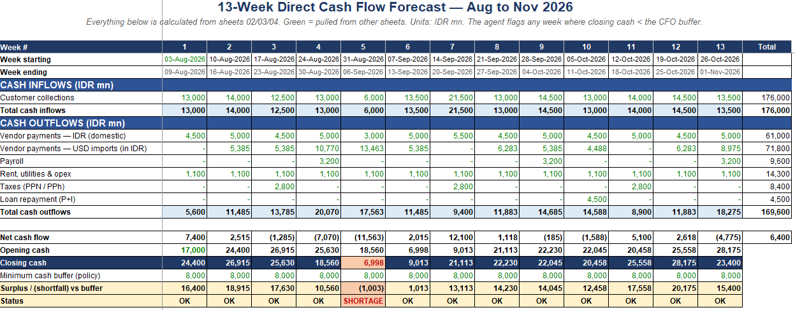
 |  |  |  |  |  |  |  |  | Visual #5
 |  |  |  |  |  |  |  |  |  |  |  |  |  | Cash Buffer
 |  |  |  |  |  |  |  |  |  |  |  |  |  | 9.99B
 |  |  |  |  |  |  |  |  | Before | After
 |  |  |  |  |  |  |  |  |  |  |  |  |  | Risk Level
 |  |  |  |  |  |  |  |  | Week 5 ███ | Week 5 ████████████ |  |  |  | HIGH → LOW

 |  |  |  |  |  |  |  |  |  |  |  |  |  | Status
 |  |  |  |  |  |  |  |  |  |  |  |  |  | PROTECTED

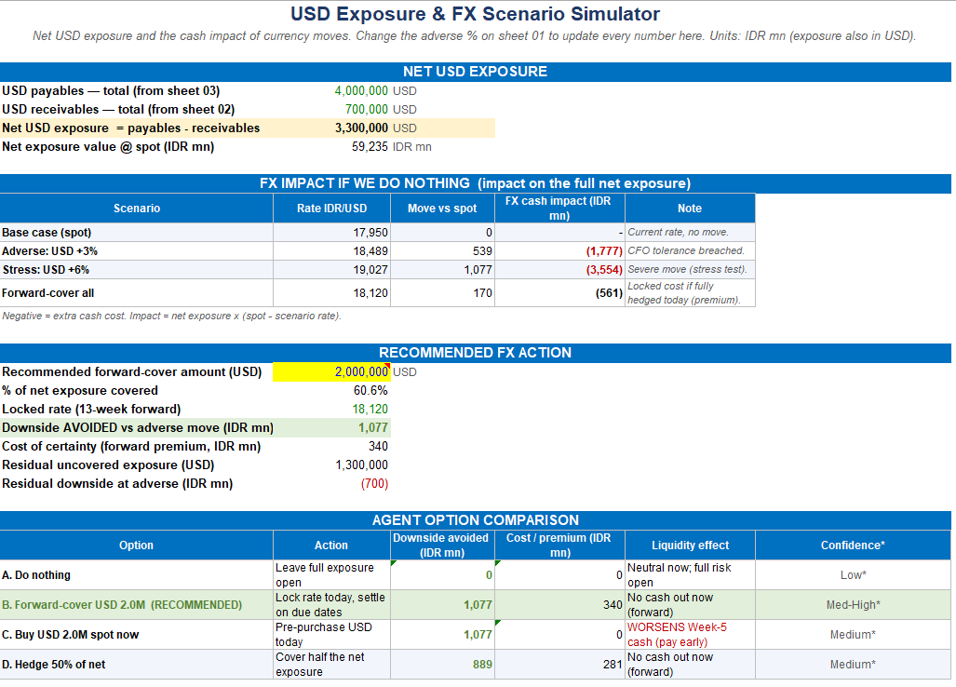

 |  |  |  |  |  |  |  |  |  |  |  | Agent-to-Agent Collaboration Begins

 |  |  |  |  |  |  |  |  | Show more lines |  |  | Treasury Agent
 |  |  |  |  |  |  |  |  |  |  |  | Create Forward Cover Request

 |  |  |  |  |  |  |  |  |  |  |  | Amount:
 |  |  |  |  |  |  |  |  |  |  |  | USD 2M

 |  |  |  |  |  |  |  |  |  |  |  | Rate:
 |  |  |  |  |  |  |  |  |  |  |  | 18120

 |  |  |  |  |  |  |  |  |  |  |  | Approval Route:
 |  |  |  |  |  |  |  |  |  |  |  | Treasury Manager

 |  |  |  |  |  |  |  |  |  |  |  | AP Agent
 |  |  |  |  |  |  |  |  |  |  |  | Move AP-015

 |  |  |  |  |  |  |  |  |  |  |  | Vendor:
 |  |  |  |  |  |  |  |  |  |  |  | PT Kemasan Prima

 |  |  |  |  |  |  |  |  |  |  |  | Amount:
 |  |  |  |  |  |  |  |  |  |  |  | IDR 3.0B

 |  |  |  |  |  |  |  |  |  |  |  | Week 5 → Week 6

 |  |  |  |  |  |  |  |  |  |  |  | AR Agent
 |  |  |  |  |  |  |  |  |  |  |  | Collection Campaign Created

 |  |  |  |  |  |  |  |  |  |  |  | Customer:
 |  |  |  |  |  |  |  |  |  |  |  | PT Anugerah Prima

 |  |  |  |  |  |  |  |  |  |  |  | Exposure:
 |  |  |  |  |  |  |  |  |  |  |  | IDR 8.0B

 |  |  |  |  |  |  |  |  |  |  |  | Controller Agent
 |  |  |  |  |  |  |  |  |  |  |  | Prepare Journal Preview
 |  |  |  |  |  |  |  |  |  |  |  | FX Hedging Impact
 |  |  |  |  |  |  |  |  |  |  |  | Accounting Review Required

06 Cash Forecast 13W
13-Week Direct Cash Flow Forecast — Aug to Nov 2026
Everything below is calculated from sheets 02/03/04. Green = pulled from other sheets. Units: IDR mn. The agent flags any week where closing cash < the CFO buffer.

Week # | 1 | 2 | 3 | 4 | 5 | 6 | 7 | 8 | 9 | 10 | 11 | 12 | 13 | Total
Week starting | 03-Aug-2026 | 10-Aug-2026 | 17-Aug-2026 | 24-Aug-2026 | 31-Aug-2026 | 07-Sep-2026 | 14-Sep-2026 | 21-Sep-2026 | 28-Sep-2026 | 05-Oct-2026 | 12-Oct-2026 | 19-Oct-2026 | 26-Oct-2026
Week ending | 09-Aug-2026 | 16-Aug-2026 | 23-Aug-2026 | 30-Aug-2026 | 06-Sep-2026 | 13-Sep-2026 | 20-Sep-2026 | 27-Sep-2026 | 04-Oct-2026 | 11-Oct-2026 | 18-Oct-2026 | 25-Oct-2026 | 01-Nov-2026
CASH INFLOWS (IDR mn)
Customer collections | 13,000 | 14,000 | 12,500 | 13,000 | 6,000 | 13,500 | 21,500 | 13,000 | 14,500 | 13,000 | 14,000 | 14,500 | 13,500 | 176,000
Total cash inflows | 13,000 | 14,000 | 12,500 | 13,000 | 6,000 | 13,500 | 21,500 | 13,000 | 14,500 | 13,000 | 14,000 | 14,500 | 13,500 | 176,000
CASH OUTFLOWS (IDR mn)
Vendor payments — IDR (domestic) | 4,500 | 5,000 | 4,500 | 5,000 | 3,000 | 5,000 | 5,500 | 4,500 | 5,000 | 4,500 | 5,000 | 4,500 | 5,000 | 61,000
Vendor payments — USD imports (in IDR) | - | 5,385 | 5,385 | 10,770 | 13,463 | 5,385 | - | 6,283 | 5,385 | 4,488 | - | 6,283 | 8,975 | 71,800
Payroll | - | - | - | 3,200 | - | - | - | - | 3,200 | - | - | - | 3,200 | 9,600
Rent, utilities & opex | 1,100 | 1,100 | 1,100 | 1,100 | 1,100 | 1,100 | 1,100 | 1,100 | 1,100 | 1,100 | 1,100 | 1,100 | 1,100 | 14,300
Taxes (PPN / PPh) | - | - | 2,800 | - | - | - | 2,800 | - | - | - | 2,800 | - | - | 8,400
Loan repayment (P+I) | - | - | - | - | - | - | - | - | - | 4,500 | - | - | - | 4,500
Total cash outflows | 5,600 | 11,485 | 13,785 | 20,070 | 17,563 | 11,485 | 9,400 | 11,883 | 14,685 | 14,588 | 8,900 | 11,883 | 18,275 | 169,600

Net cash flow | 7,400 | 2,515 | (1,285) | (7,070) | (11,563) | 2,015 | 12,100 | 1,118 | (185) | (1,588) | 5,100 | 2,618 | (4,775) | 6,400
Opening cash | 17,000 | 24,400 | 26,915 | 25,630 | 18,560 | 6,998 | 9,013 | 21,113 | 22,230 | 22,045 | 20,458 | 25,558 | 28,175
Closing cash | 24,400 | 26,915 | 25,630 | 18,560 | 6,998 | 9,013 | 21,113 | 22,230 | 22,045 | 20,458 | 25,558 | 28,175 | 23,400
Minimum cash buffer (policy) | 8,000 | 8,000 | 8,000 | 8,000 | 8,000 | 8,000 | 8,000 | 8,000 | 8,000 | 8,000 | 8,000 | 8,000 | 8,000
Surplus / (shortfall) vs buffer | 16,400 | 18,915 | 17,630 | 10,560 | (1,003) | 1,013 | 13,113 | 14,230 | 14,045 | 12,458 | 17,558 | 20,175 | 15,400
Status | OK | OK | OK | OK | SHORTAGE | OK | OK | OK | OK | OK | OK | OK | OK

READ THIS:
The agent scans all 13 weeks and flags Week 5, where closing cash falls below the IDR 8,000 mn buffer. Drivers: a large USD import payment (Week 5) plus the top customer's collection slipping from Week 5 to Week 7. See sheet 06 for the FX view and sheet 07 for the recommended actions.

Projected Closing Cash vs Minimum Buffer (IDR mn)

